bettery capacity
Application | Model | Battery Capacity [Wh] | Battery cost/Total cost [%] | Price [$] |  |  | 비고
Car | Tesla model 3 | 50,000Wh | 2500% | 8750 |  |  |  | https://qz.com/1588236/how-we-get-to-the-next-big-battery-breakthrough/

 |  |  |  |  | 에너지효율 | http://eep.energy.or.kr/electricity/elec_list_231.aspx?searchfield=MODEL_TERM&searchword=&record_cnt=50

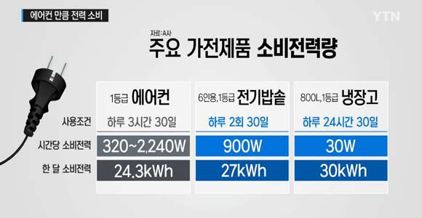

 |  |  |  |  |  |  | 베터리 코스트
 |  |  |  |  |  |  |  | https://about.bnef.com/blog/behind-scenes-take-lithium-ion-battery-prices/
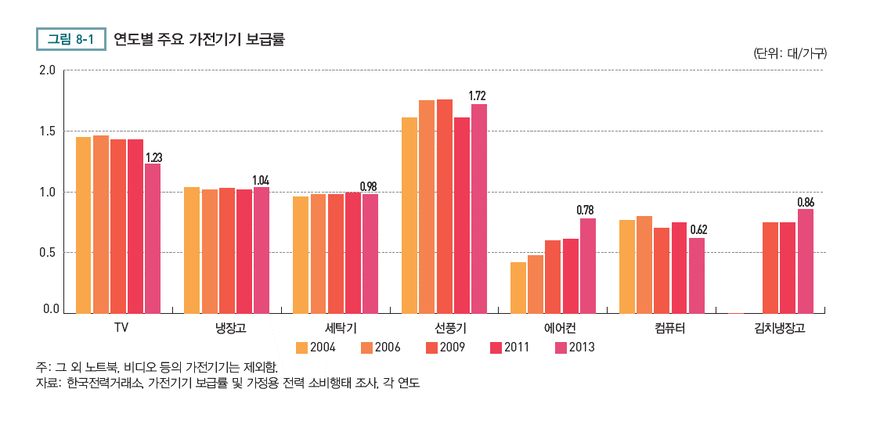

 | Night(off-peak) | Day(peak)
Electricity price | 68.59won/kWh | 119.58won/kWh

 |  | Washing Machine | TV | Refrigerator
 | Unit | 18Kg | 123 cm | 270L
 | Usage | 1/week | 6 hrs/day | N(33.3, 4)
 | Energy Cons | 600W | 70W | 12kWh/month
 | Hourly Profile | 600W/hour | 70W/hour | 33.3W/hour

